Sheet1
YESHWANTRAO CHAVAN COLLEGE OF ENGINEERING
(An Autonomous College affiliated to Nagpur University)
DEPARTMENT OF COMPUTER SCIENCE & ENGINEERING
Departmental Faculty Details
Sr. No. | Name of Faculty | Designation | Photo | No. of Journal Papers |  |  |  | No. of SCOPUS/WOS Conference Papers | No. of Citations |  |  | No. of Patents |  | Funding Received |  | No. of Scholars / Students guided
 |  |  |  | SCIE | ESCI | SCOPUS / WoS | Other Previewed Journals |  | Google | WOS | SCOPUS | Granted | Published | Research Based | Non Research Based | PhD | PG
1 | Dr. Lalit B. Damahe | HoD & Assistant Professor |  | 3 | 3 | 4 | 14 | 30 | 212 | 18 | 79 | 3 | 6 | 300000/- | - | 4 | 7
2 | Dr. Nileshsingh V. Thakur | Professor |  | 5 | 6 | 17 | 33 | 43 | 879 | 73 | 190 | 4 | 4 |  |  | 8 (Awarded) + 2(Pursuing) | 28
3 | Prof. Rupa A.Fadnavis | Assistant Professor | 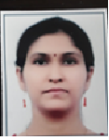 | - | - | 6 | 10 | 11 | 116 |  | 56 | - | 2 | - | - | - | 4
4 | Prof. Fazil Ahmed M. K. Sheikh | Assistant Professor |  | - | - | - | - | 3 | - | - | - | - | 2 | 32778/- (In-house) | -
5 | Prof. Jiwan N. Dehankar | Assistant Professor |  | - | - | 2 | 6 | 7 | 19 | - | - | - | 1 | 1. 20000/- in Hourse 2. 12600 /- in house | - | - | -
6 | Prof. Pratibha P. Waghale | Assistant Professor | 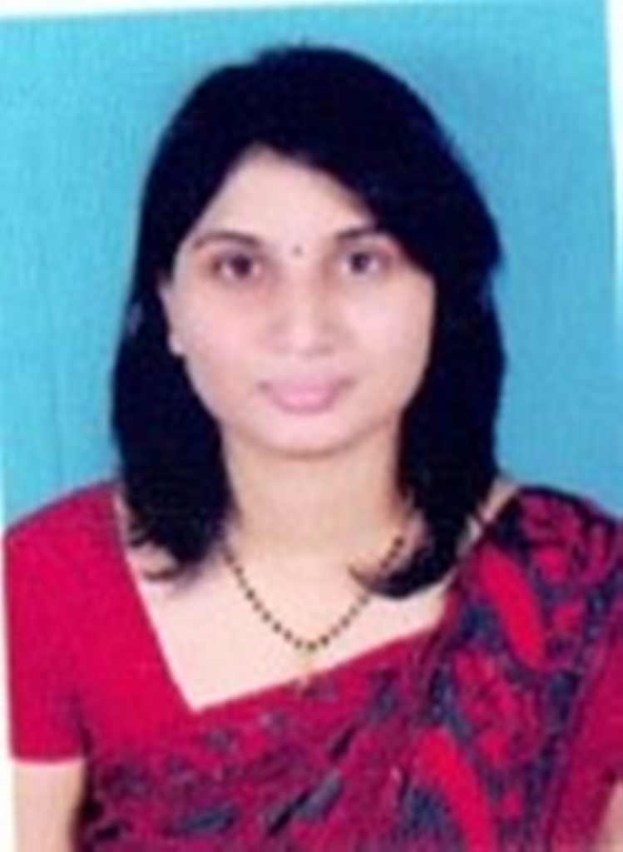 |  |  | 2 |  | 7 | 17 |  |  | 1 |  | 9600/-
7 | Prof. Amruta Tapas Paul | Assistant Professor |  |  |  | 1 |  | 10 | 7 |  |  | 1 | 1 | 18000/- in-house |  | - | -
8 | Prof. Shraddha G.Vaidya | Assistant Professor |  |  |  | 1 | - | 8 | 32 |  |  |  | 2
9 | Prof. Nikita Prasad Giradkar | Assistant Professor |  | - | - | - | - | 6 | 3 | - | 0 | 1 | - | - | 1 | - | -
10 | Prof. Kavita A. Kathane | Assistant Professor |  |  |  | 2 |  | 8 | 4 |  | 0 | - | 1 | - | 1 | - | -
11 | Dr. Bharati A. Karare Band | Assistant Professor |  |  |  | 1 | 4 | 6 | 1 |  |  |  | 1
12 | Prof. Renuka Dhanraj Kadu | Assistant Professor |  | - | - | - | - | 6 | 13 |  | 8 | - | - | - | - | - | -
13 | Prof. Vibhakti N. Bagade | Assistant Professor |  | - | - | - | - | 5 | - | - | - | - | 1 | - | - | -
14 | Prof. Chanchla A. Tripathi | Assistant Professor |  | - | - | 1 | - | 6 | - | - | - | - | - | - | - | - | -
15 | Prof. Milind c. Tote | Assistant Professor |  | - | - | 1 | - | Nil | 31 | - | 17 | - | - | - | - | - | -
16 | Mrs. Priyanka More (Khandekar) | Assistant Professor |  | - | - | - | - | 2 | - | - | -
17 | Ms.Smita Dhote | Assistant Professor |  | - | - | - | - | 3 | 27 | -
18 | Prof. Roshni Rathour | Assistant Professor |  |  |  | 2 |  | 7 |  |  |  |  | 1
19 | Prof. Ekant R.Tekam | Assistant Professor |  | - | - | - | - | 4 | - | - | 0 | - | - | - |  | - | -
20 | Ms.Anuradha Hiwase | Assistant Professor |  | - | 1 | - | - | 5 | 4 | - | 1 |  | 1 | - | - | - | 6
21 | Ms.Snehal Dongre | Assistant Professor | 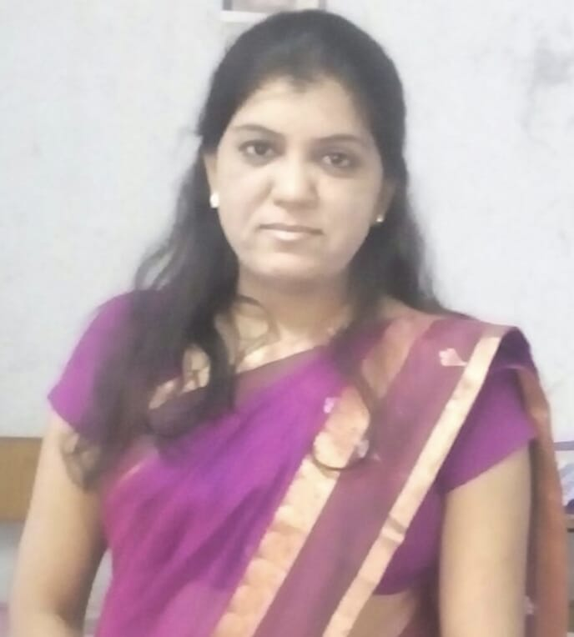 | 1 |  | 4 | 3 | 5 | 50 |  |  |  | 2
22 | Mr. Prashant Ghulaxe | Assistant Professor |  | - | - | - | 3 | 2 | - | - | - | - | - | - | - | - | -
23 | Mr.Prathamesh Kale | Assistant Professor |  | - | - | - | - | 1 | - | - | - | - | - | - | - | - | -
24 | Mr.Ashish Thengare | Assistant Professor |  | - | - | - | - | 3 | - | - | - | - | - | - | - | - | -
25 | Mrs.Prachi Khune | Assistant Professor |  | 1 | - | 1 | 9 | 1 | 50 | - | -- | -- | -- | --- | --- | -- | 6
26 | Minal Dewade | Assistant Professor |  |  |  |  | 15 |  | 35 |  |  |  |  |  |  |  | 4
27 | Harshal Rahangdale | Assistant Professor |  | -- | -- | -- | -- | 2 | -- | - | -- | -- | -- | --- | --- | -- | -
28 | Prajakta Zade | Assistant Professor |  | - | - | - | 1 | - | - | - | - | - | - | - | - | - | -
29 | Mrs. Samta H. Ramteke | Assistant Professor |  | - | - | - | 1 |  | - | - | - | 1 | - | - | - | - | -
30 | Ms.Sudha Shende | Assistant Professor |  | - | - | - | - | 1 |  |  |  | - | - |  |  | - | -
31 | Mr.Sachin Meshram | Assistant Professor |  | - | - | - | - | 4 |  |  |  |  |  |  |  | - | -
32 | Mrs.Sana Ali | Assistant Professor |  | - | - | - | - | 3 | 1 | - | - | - | - | - | - | - | -
33 | Ms.Harshita Shukla | Assistant Professor |  | - | - | 1 | 1 | 2 | - | - | - | - | - | - | - | - | -
34 | Ms.Rajkumari Narnaware (Khobragade) | Assistant Professor |  | - | 1 | - | - | 1 | - | - | - |  | 1

